TEDB Edition 40
Since 1990, China shows the greatest increase of carbon dioxide (CO2) emissions. The Americas have increased CO2 emissions by only 8% from 1990 to 2020. Europe and Eurasia have fewer CO2 emissions in 2020 than 1990.

Figure 12.1. World Carbon Dioxide Emissions, 1990–2020
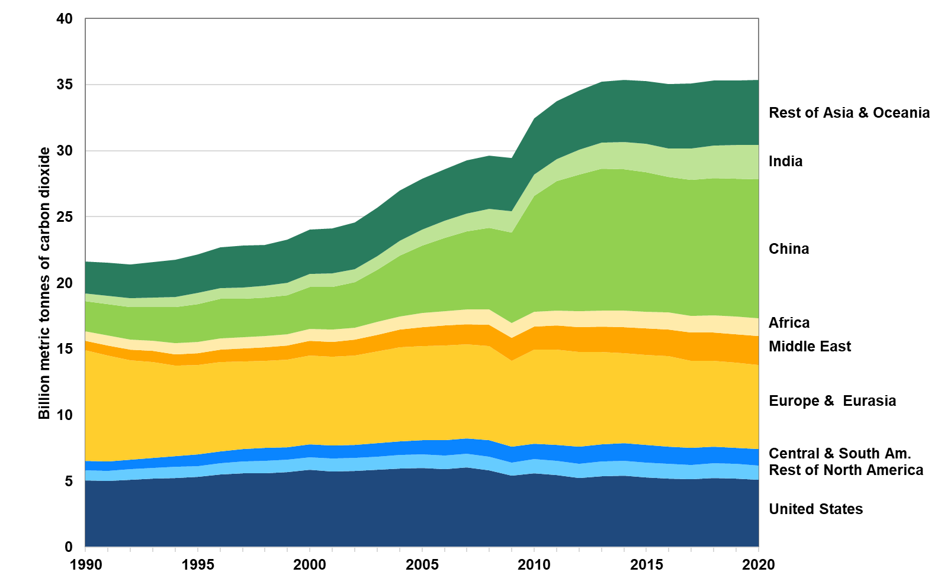

 | Billion Metric Tones of Carbon Donoxide
 | 1990 | 1991 | 1992 | 1993 | 1994 | 1995 | 1996 | 1997 | 1998 | 1999 | 2000 | 2001 | 2002 | 2003 | 2004 | 2005 | 2006 | 2007 | 2008 | 2009 | 2010 | 2011 | 2012 | 2013 | 2014 | 2015 | 2016 | 2017 | 2018 | 2019 | 2020
Rest of North America | 774 | 776 | 800 | 803 | 833 | 831 | 854 | 895 | 922 | 931 | 957 | 943 | 948 | 986 | 991 | 1,009 | 1,017 | 1,035 | 1,029 | 967 | 1,076 | 1,085 | 1,096 | 1,139 | 1,124 | 1,136 | 1,142 | 1,110 | 1,106 | 1,098 | 1,098
United States | 5,041 | 4,998 | 5,093 | 5,188 | 5,261 | 5,319 | 5,505 | 5,577 | 5,617 | 5,678 | 5,864 | 5,755 | 5,799 | 5,853 | 5,974 | 5,999 | 5,924 | 6,024 | 5,841 | 5,430 | 5,580 | 5,442 | 5,231 | 5,360 | 5,408 | 5,263 | 5,178 | 5,135 | 5,238 | 5,205 | 5,104
Central & South America | 716 | 738 | 744 | 784 | 812 | 858 | 903 | 949 | 975 | 978 | 992 | 1,014 | 1,005 | 1,021 | 1,062 | 1,103 | 1,149 | 1,169 | 1,220 | 1,198 | 1,198 | 1,222 | 1,264 | 1,300 | 1,338 | 1,332 | 1,297 | 1,273 | 1,250 | 1,240 | 1,241
Europe & Eurasia | 8,361 | 7,974 | 7,512 | 7,224 | 6,823 | 6,791 | 6,766 | 6,614 | 6,575 | 6,602 | 6,712 | 6,717 | 6,768 | 6,974 | 7,098 | 7,110 | 7,196 | 7,125 | 7,116 | 6,491 | 7,100 | 7,206 | 7,169 | 6,986 | 6,818 | 6,838 | 6,826 | 6,574 | 6,493 | 6,402 | 6,322
Middle East | 730 | 785 | 815 | 840 | 885 | 901 | 935 | 989 | 1,019 | 1,057 | 1,095 | 1,120 | 1,177 | 1,244 | 1,335 | 1,448 | 1,503 | 1,531 | 1,631 | 1,741 | 1,739 | 1,844 | 1,905 | 1,897 | 1,961 | 2,005 | 2,031 | 2,136 | 2,149 | 2,186 | 2,203
Africa | 727 | 751 | 764 | 776 | 813 | 826 | 843 | 868 | 856 | 873 | 887 | 916 | 918 | 968 | 1,016 | 1,053 | 1,059 | 1,087 | 1,152 | 1,146 | 1,111 | 1,121 | 1,173 | 1,206 | 1,242 | 1,252 | 1,292 | 1,278 | 1,307 | 1,323 | 1,348
Rest of Asia & Oceania | 2,414 | 2,498 | 2,568 | 2,686 | 2,815 | 2,909 | 3,054 | 3,167 | 3,086 | 3,268 | 3,377 | 3,426 | 3,535 | 3,660 | 3,775 | 3,860 | 3,917 | 4,021 | 4,041 | 4,003 | 4,232 | 4,353 | 4,469 | 4,627 | 4,679 | 4,735 | 4,847 | 4,922 | 4,927 | 4,908 | 4,898
China | 2,269 | 2,369 | 2,449 | 2,565 | 2,754 | 2,852 | 3,006 | 2,918 | 2,916 | 2,933 | 3,165 | 3,227 | 3,422 | 3,960 | 4,597 | 5,116 | 5,575 | 5,908 | 6,167 | 6,816 | 8,778 | 9,772 | 10,337 | 10,766 | 10,694 | 10,550 | 10,259 | 10,272 | 10,377 | 10,442 | 10,532
India | 579 | 621 | 660 | 691 | 741 | 880 | 814 | 856 | 893 | 951 | 991 | 1,016 | 1,008 | 1,022 | 1,121 | 1,181 | 1,281 | 1,366 | 1,449 | 1,643 | 1,628 | 1,678 | 1,899 | 1,957 | 2,095 | 2,151 | 2,159 | 2,402 | 2,472 | 2,528 | 2,594
World | 21,610 | 21,511 | 21,404 | 21,558 | 21,737 | 22,167 | 22,681 | 22,833 | 22,860 | 23,272 | 24,041 | 24,132 | 24,579 | 25,688 | 26,970 | 27,880 | 28,620 | 29,267 | 29,645 | 29,436 | 32,443 | 33,724 | 34,543 | 35,238 | 35,358 | 35,261 | 35,030 | 35,102 | 35,320 | 35,332 | 35,340

Source:
1990–2009: U.S. Department of Energy, Energy Information Administration, International Energy Statistics, Total Carbon Dioxide Emissions from the Consumption of Energy, www.eia.doe.gov/cfapps/ipdbproject/IEDIndex3.cfm, September 2016. 2010–2020: U.S. Department of Energy, Energy Information Administration, International Energy Outlook 2019, www.eia.gov/forecasts/ieo/index.cfm, accessed September 2021. (Additional resources: www.eia.doe.gov)

